Navigating the form
Navigating the form
What questions are compulsory? | All questions marked with an asterisk (*) are mandatory. Failure to complete all relevant sections means the ACNC cannot accept your form or statement, and you will need to resubmit it. Grey cells indicate those that are prepopulated.
Why do cell colours change as I provide information? | 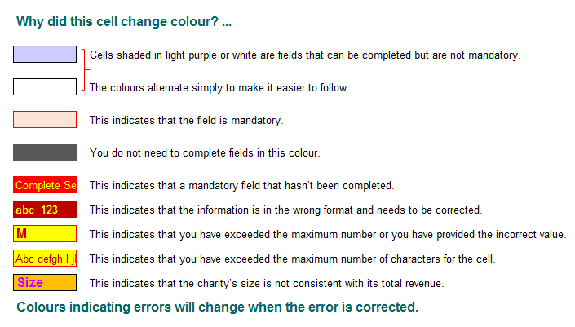
Providing the legal name and ABN for each charity | Provide the legal name and ABN for each charity first. This information is then pre-populated throughout the rest of the form (except for information collected on behalf of the Australian Taxation Office for ancillary fund distributions).
 | I confirm that I have read the information above

